Sheet2
1 | I logged in to gmail enter email id and incorrect password. Password is incorrect and gmail shows below error
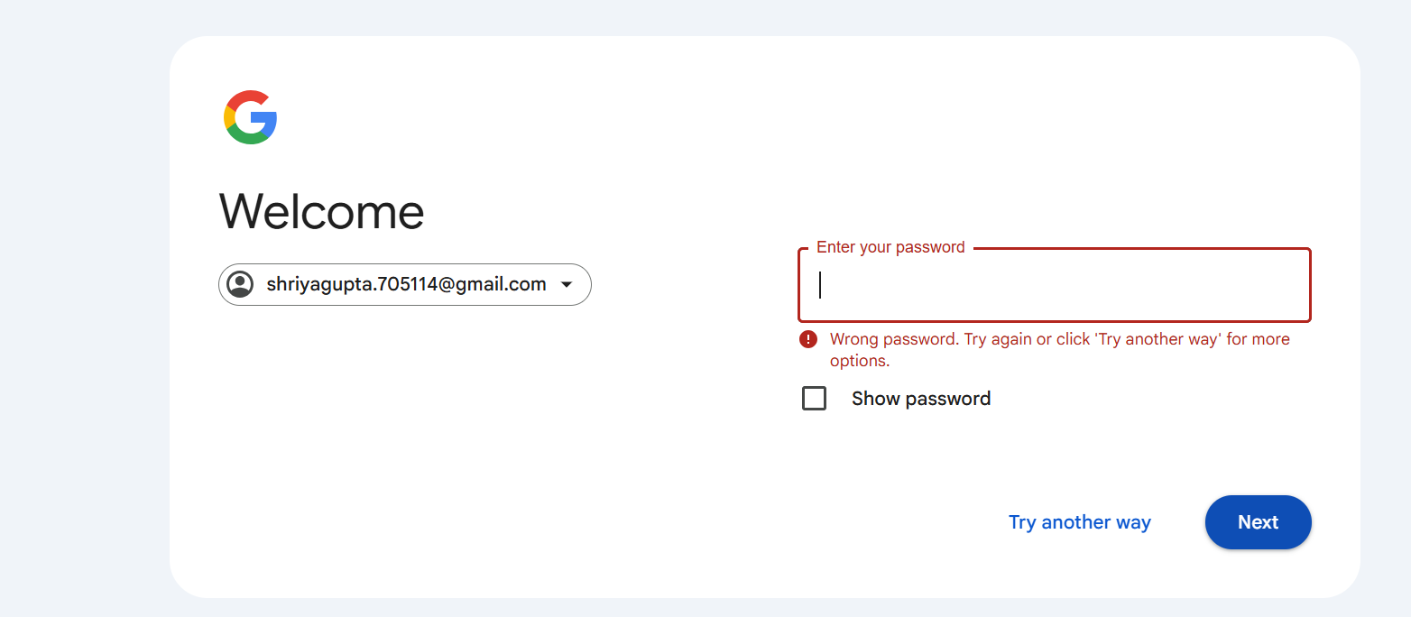

2 | I entered the extension as yahoo.com. It shows below error.
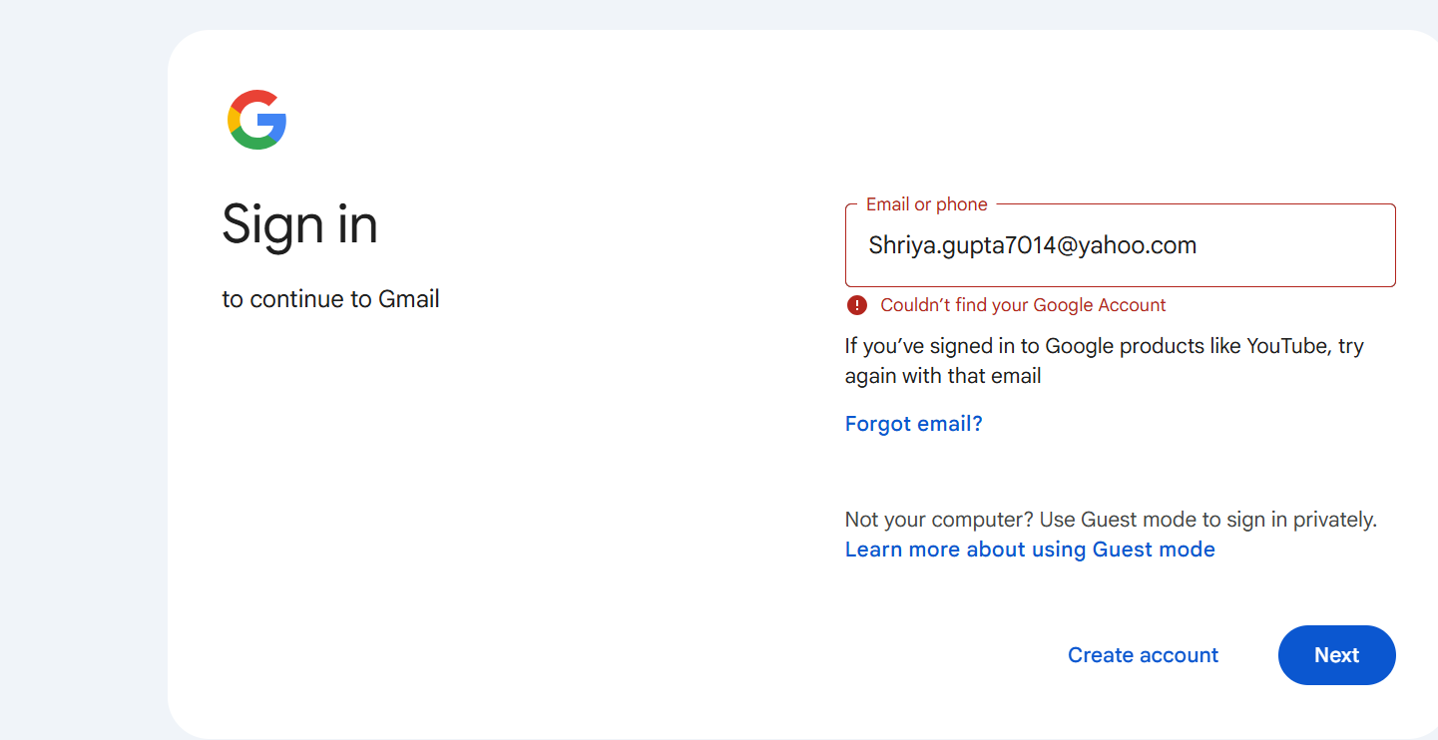

3 | I enter wrong email id, It also show error like couldn't find your google account

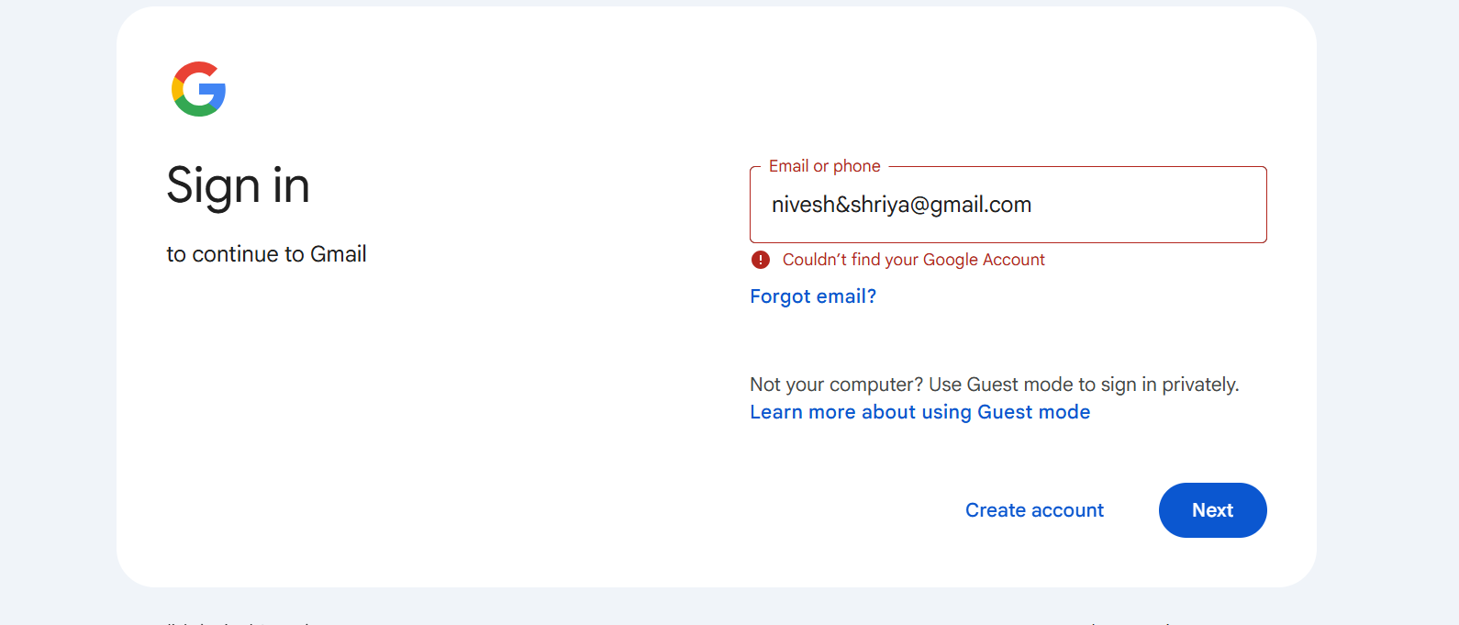

4 | I enter email id and forget my password. I select" Try Another Way " option, An email with a verification code was sent to registered mobile number
 | I entered wrong code in column its show wrong code

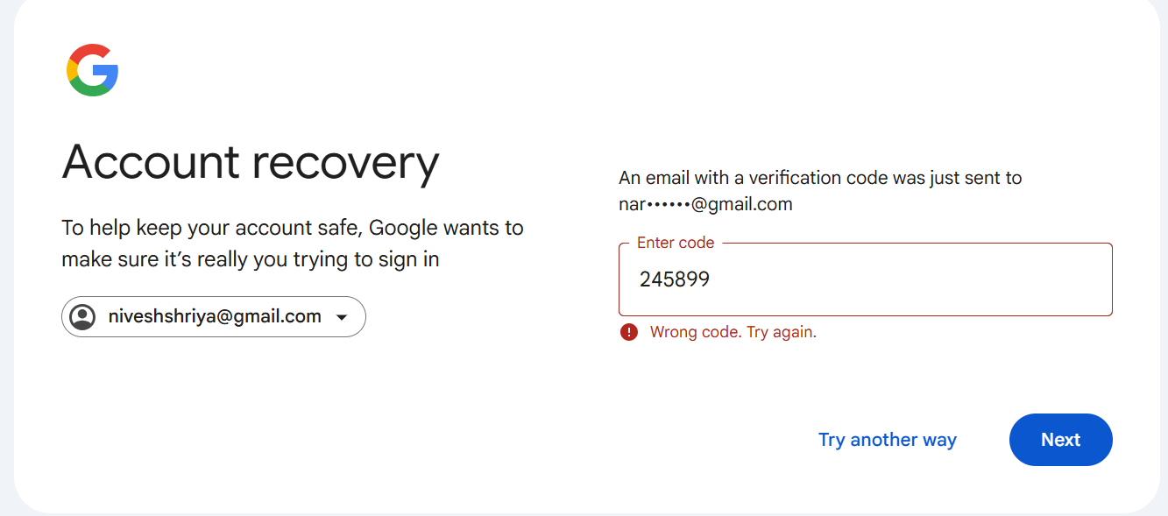

5 | I enter also some alphbetical word in code. It show error is code has numbers only.

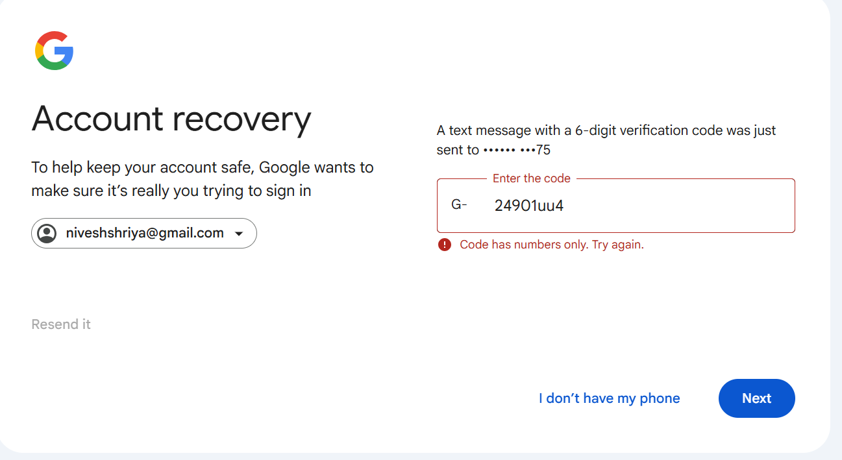

6 | Inbox Management

 | Action: Receive a new email →
 | Expected: Appears instantly in inbox.

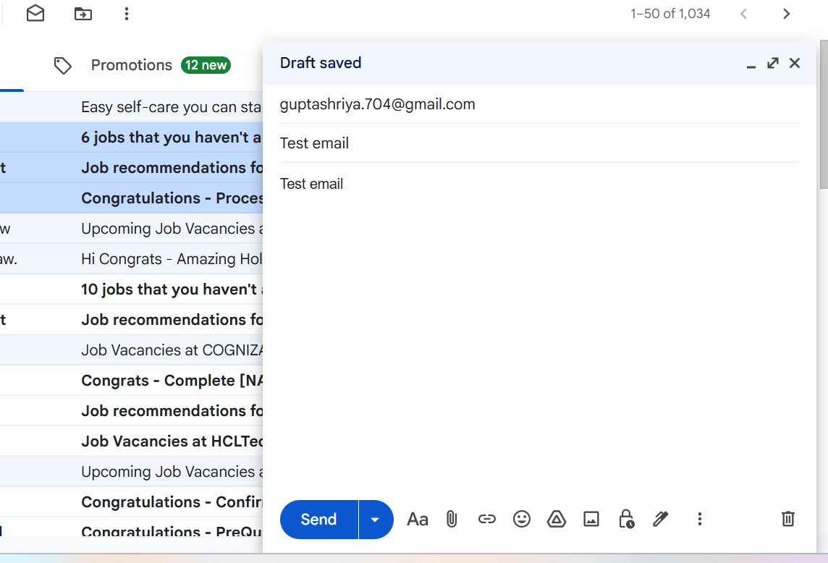

7 | Action: Mark email as read/unread →
 | Expected: Status updates correctly.

 | I click an option to show their all , none , read , unread etc
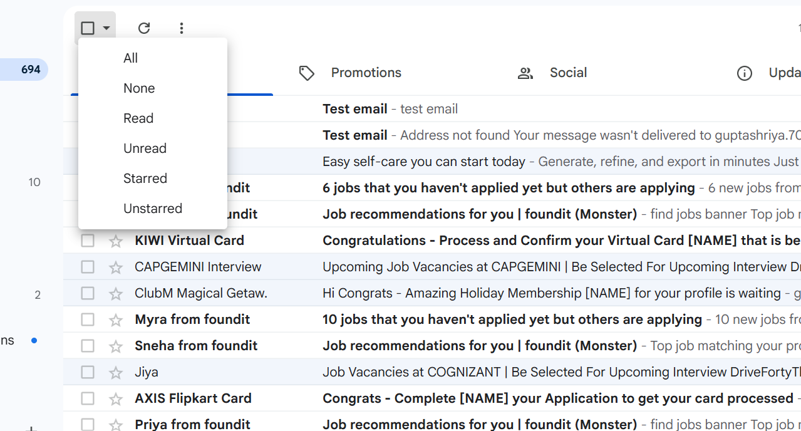

8 | Action: Apply sorting/filtering →
 | Expected: Emails are displayed accordingly.

 | I apply filter & click unread option. It sorting/ Filtering and displayed accordingly
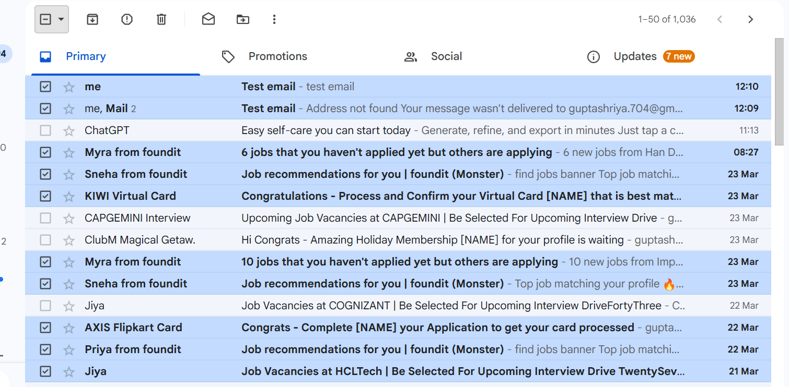

9 | Action: Move email to spam →
 | Expected: Email is relocated to spam folder.

 | Some emails are shown in span folders

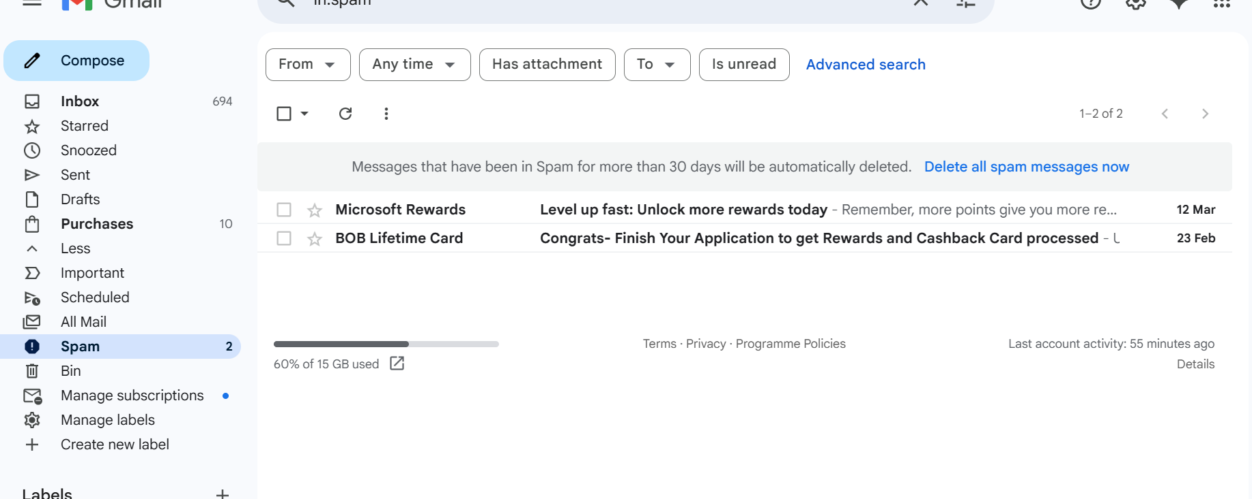

10 | Compose & Send

 | Action: Send email to valid recipient →
 | Expected: Email delivered successfully.

 | I sent email to myself, it delivered succesfully with valid receipent

11 | Action: Send to invalid address →
 | Expected: Error notification.

 | I send email wrong address. It shows error, Addess not found your message wasn't delivered.

Sheet3
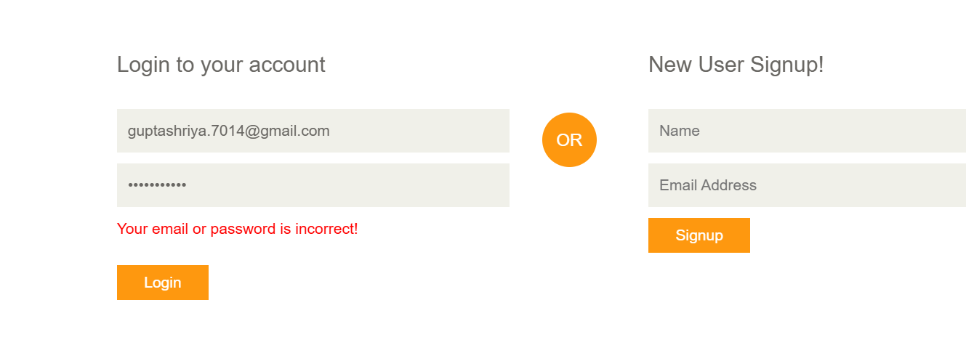
1 | I opened shopping site and verify the open page, It is visible successfully
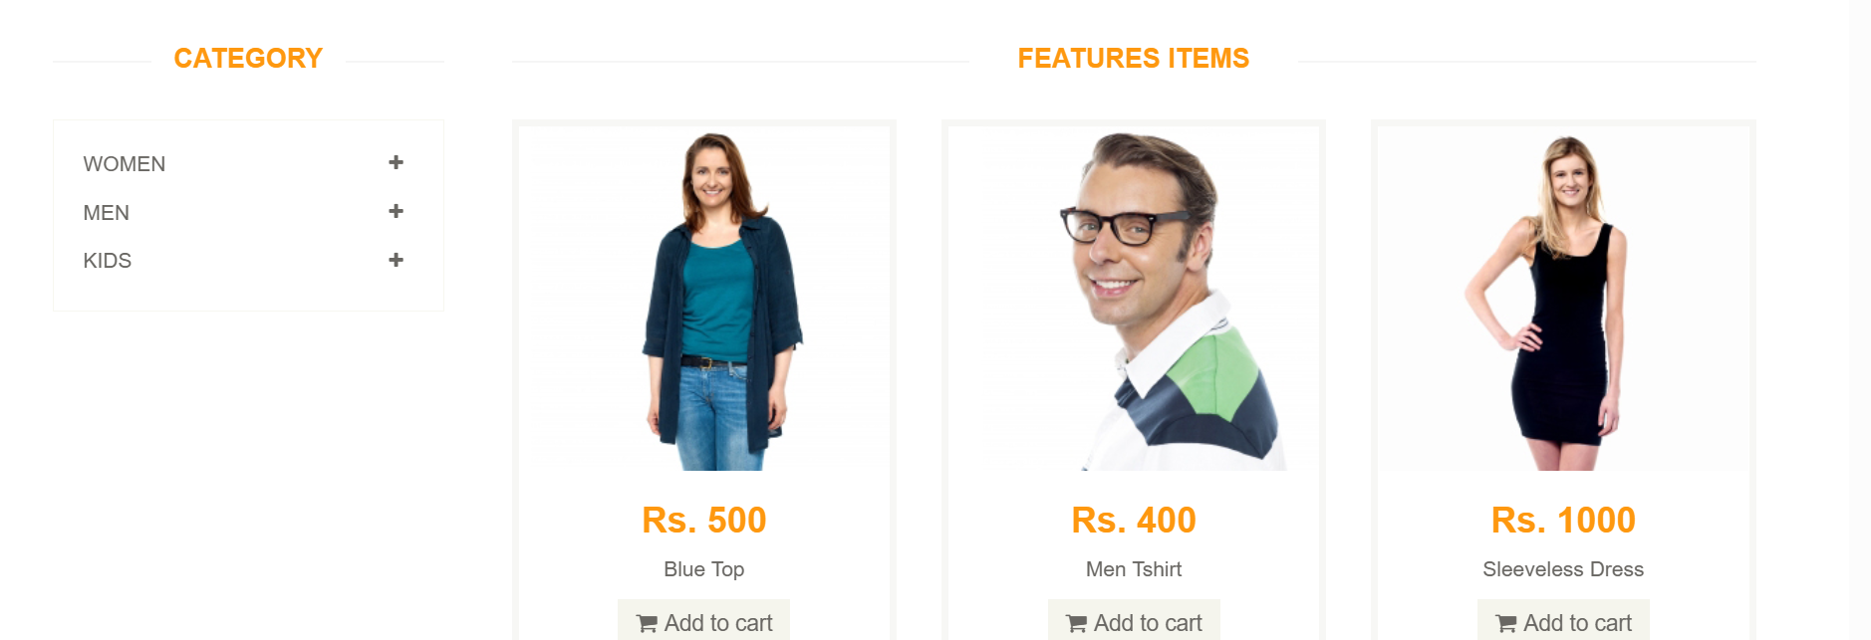

2 | Opened items and sizes are not shown.

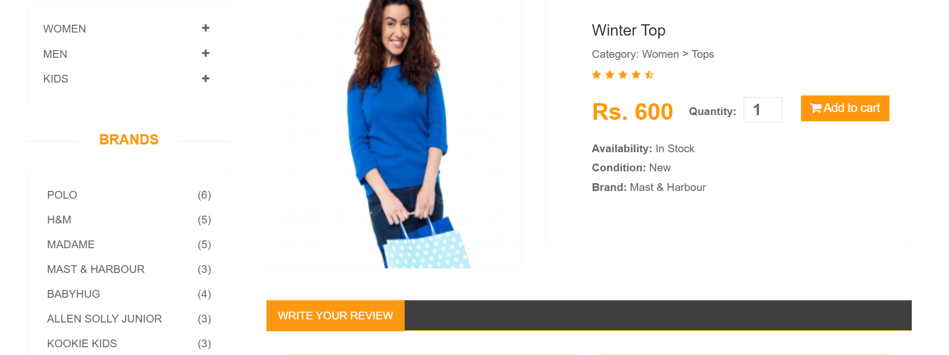

3 | I add some items in the cart and proceed to checkout. It shows Register / Login account to proceed on checkout.

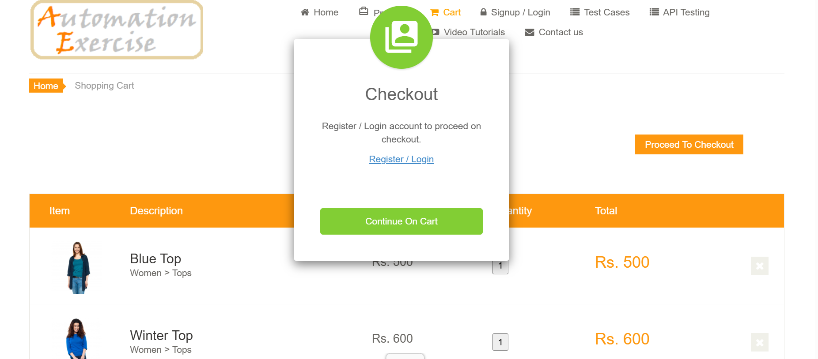

4 | I click on sign up button and see new user signup button.

5 | I enter Name & Email id and click on the signup button. It show enter account information like Name, Address, Country , State, Zip code & Mobile number.
 | I fill the all detail. It create my account successfully.
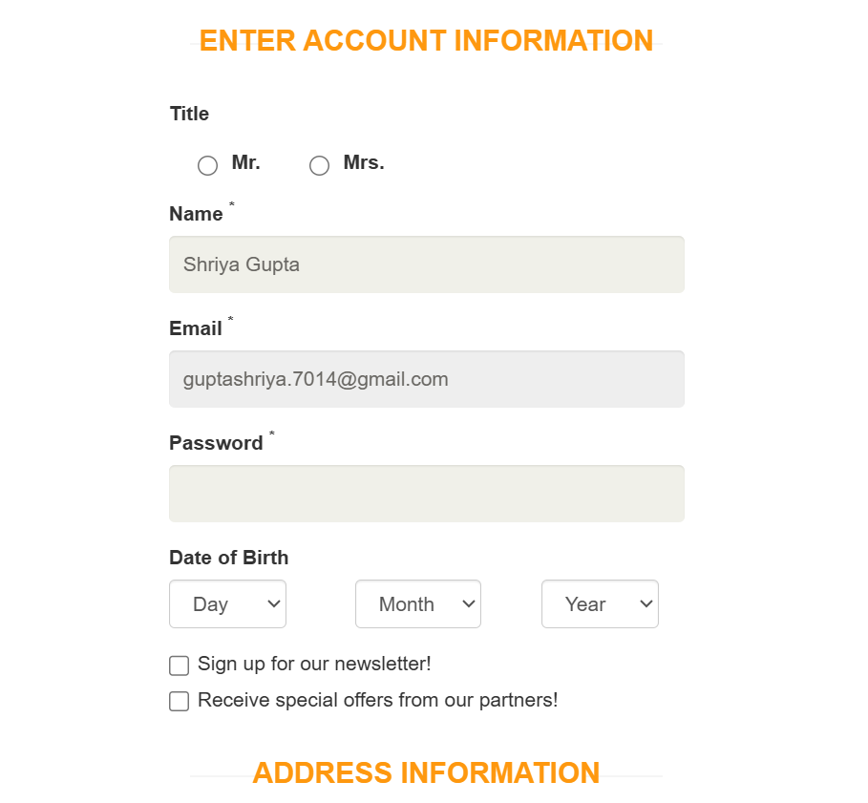

6 | login account again to check username & password are working or not, Its working. Then, I click delete account button to verify account deleted or not.
 | Its seen my account has been permanently deleted.

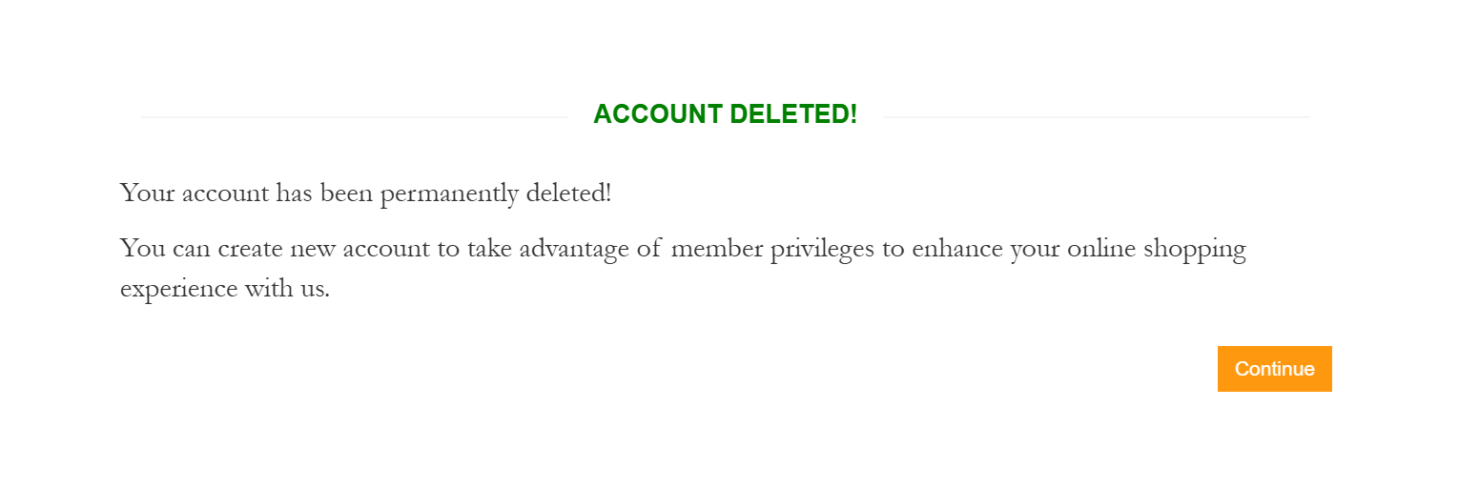

7 | I login with incorrect email and password. It shows error , your email or password is incorrect.

Sheet4
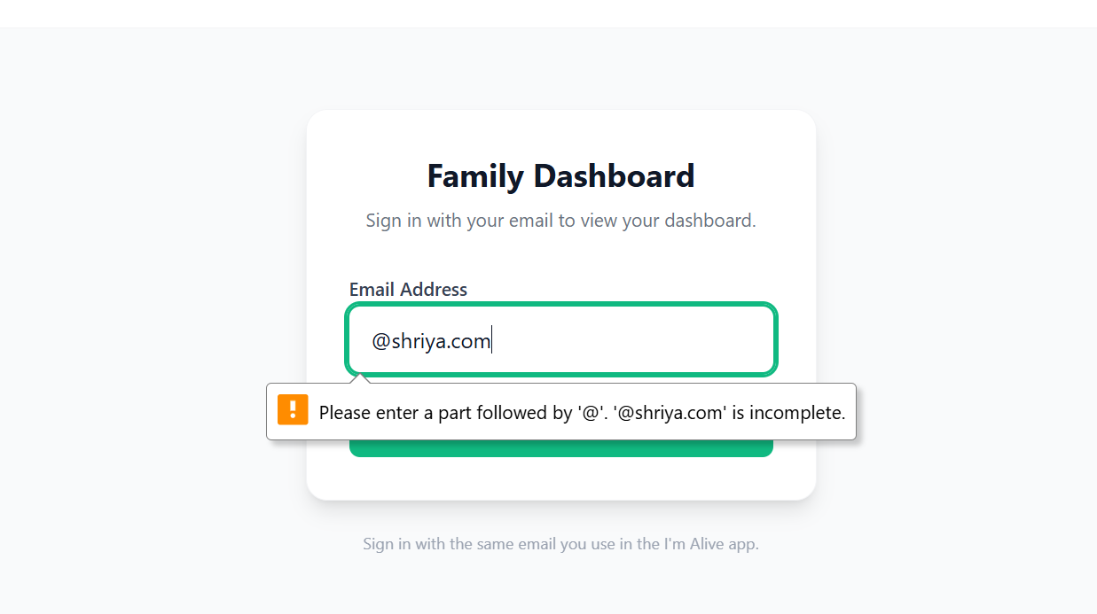
1 | I opened site and verify the open page, It is visible successfully

2 | It directly shows the email ID and tries to register without filling the mandatory fields.

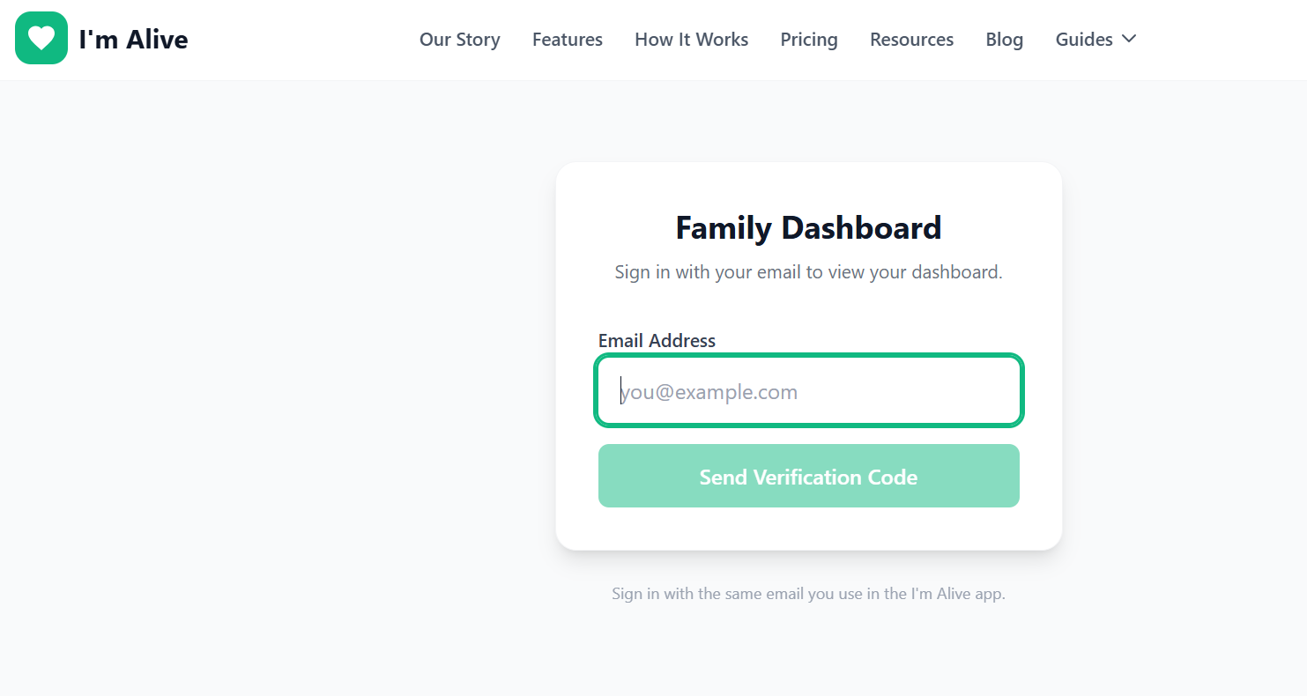

3 | Register with a password like '12345'; it is a weak password, and login depends only on the verification code.

4 | I downloaded this app, but it only works on certain mobile brands.
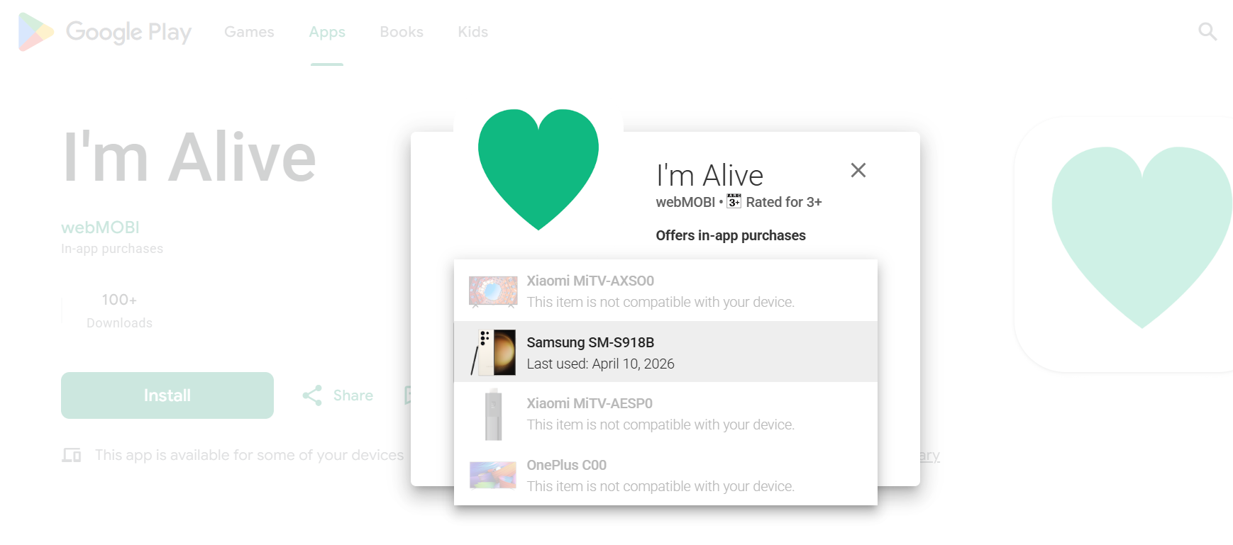

5 | The account was created successfully, and a confirmation email was received.
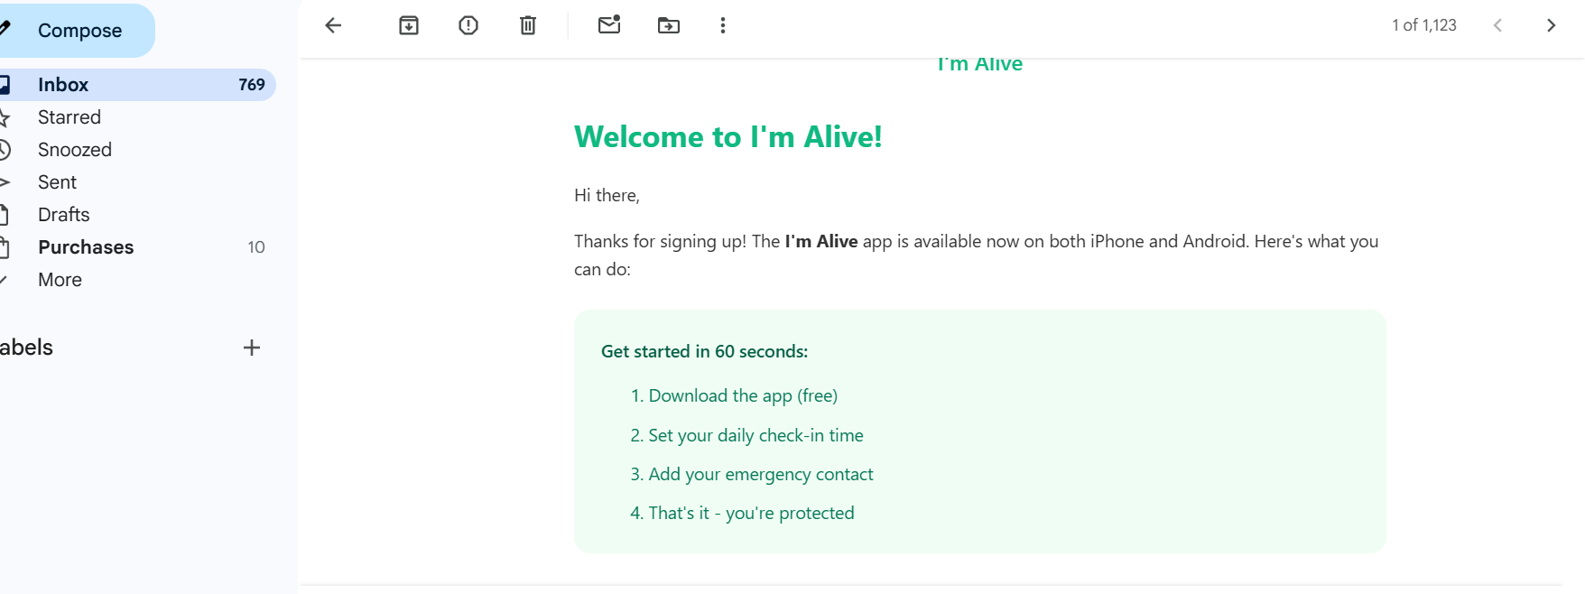

6 | I installed it many times. It shows the authentication screen, and when I select the second option, it opens the install page again.

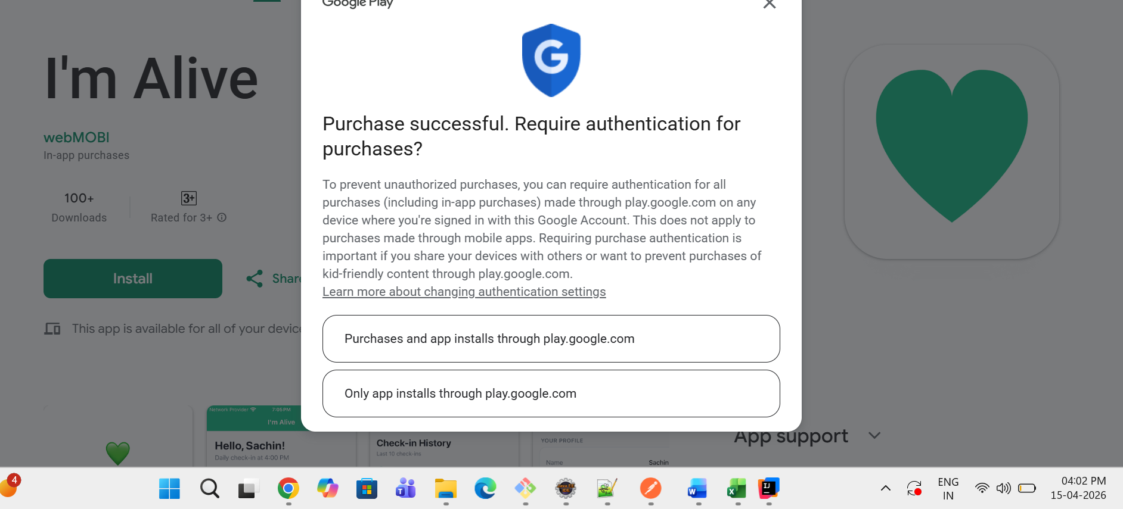

7 | I installed it again, and it shows a different mobile brand name.
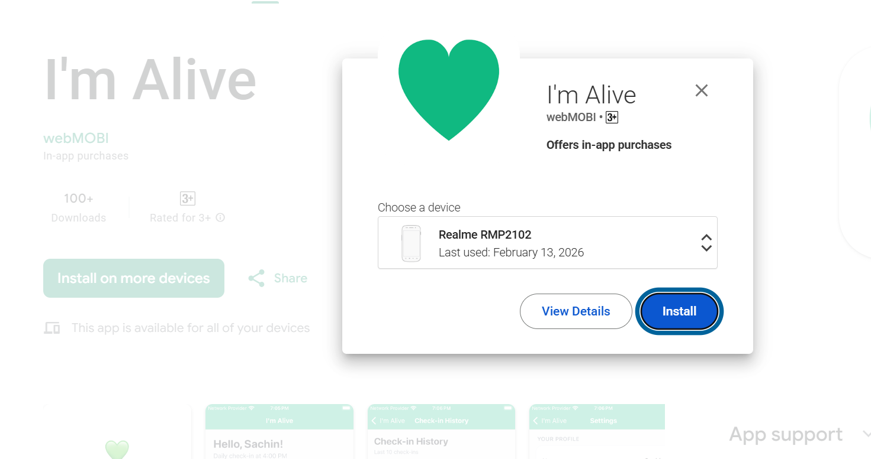

8 | Select the Blog option; it opens another page.

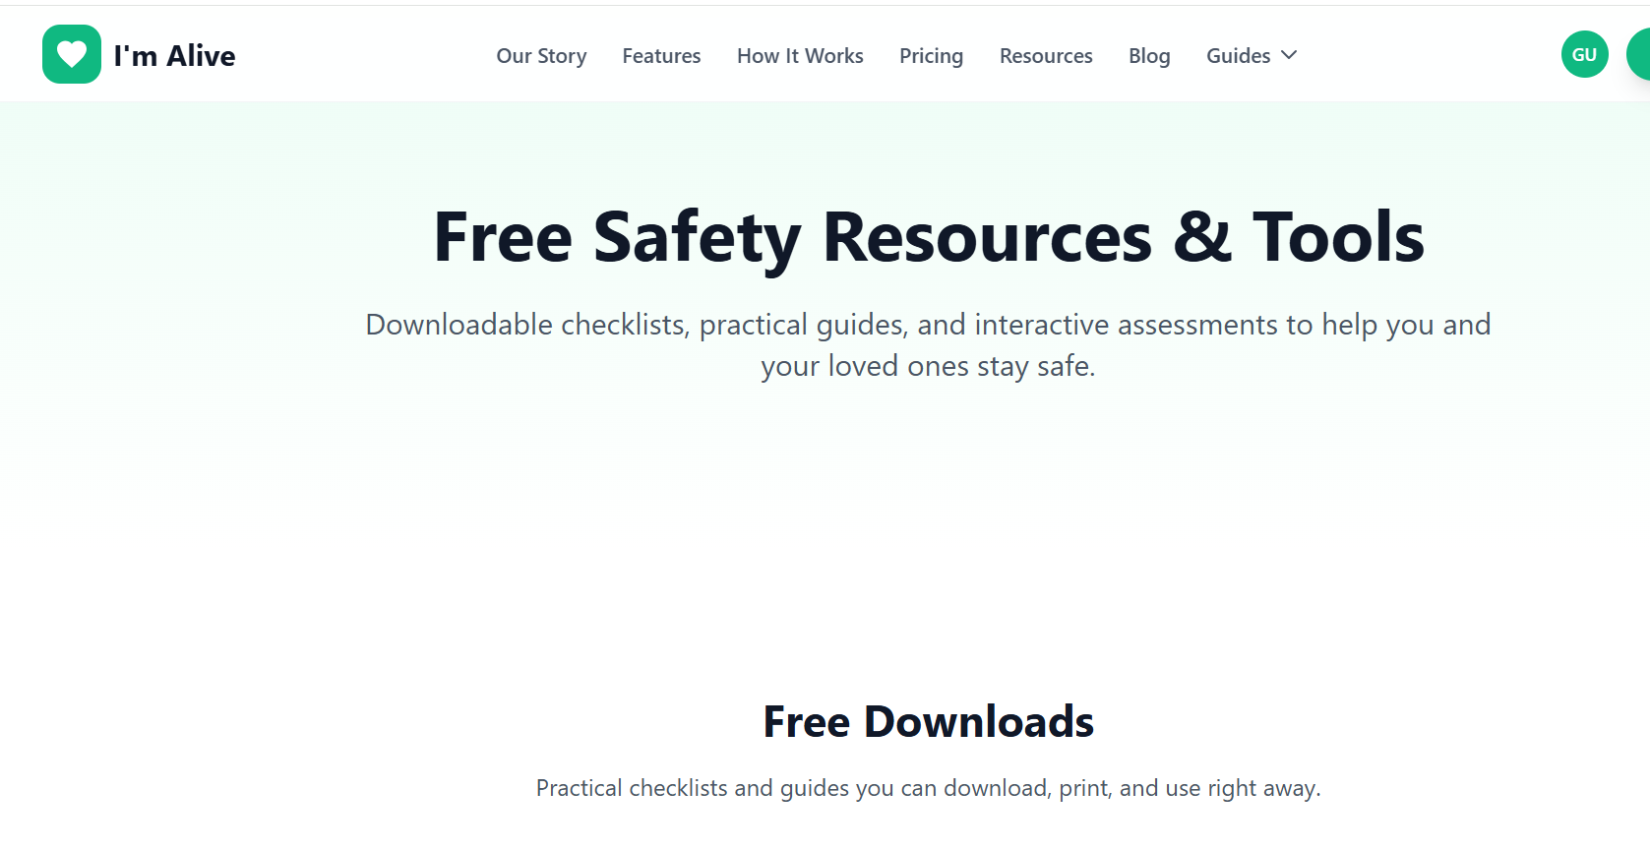

9 | On this page, the Home, Blog, Categories, and About options are not working.

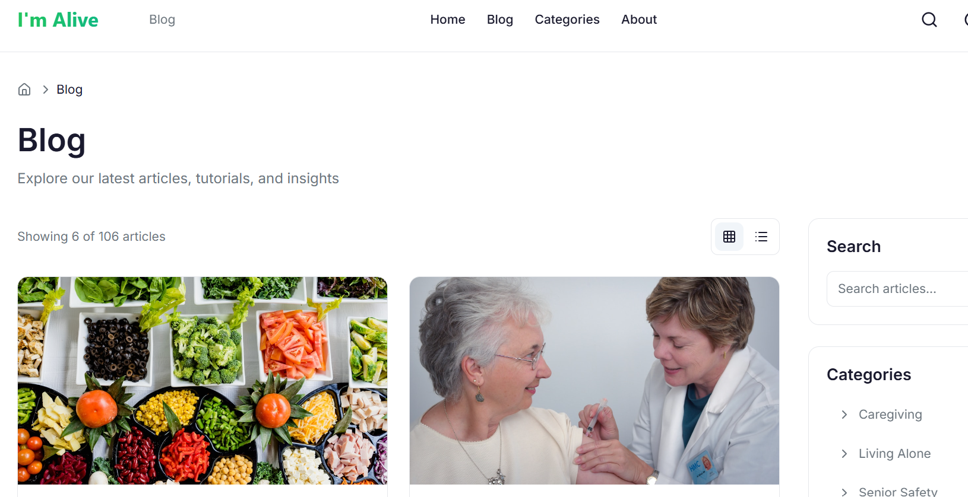

10 | Enter an invalid email format. It shows an error message, and the form is not submitted.

Sheet5
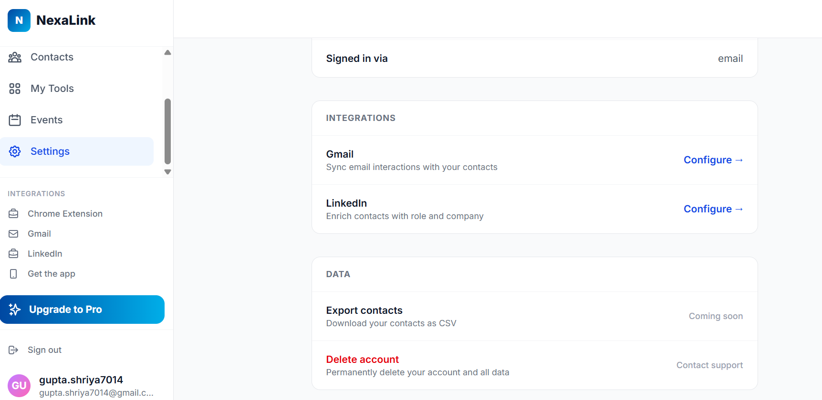
 | NexaLink is an AI-powered personal CRM platform designed to revolutionize networking
 | by combining digital business cards, AI-driven contact scanning, and smart follow-ups
 | into one seamless system. It enables professionals to capture, manage, and nurture
 | relationships more effectively.

1 | I opened site and verify the open page, It is visible successfully

2 | It directly shows the email ID and tries to register without filling the mandatory fields.

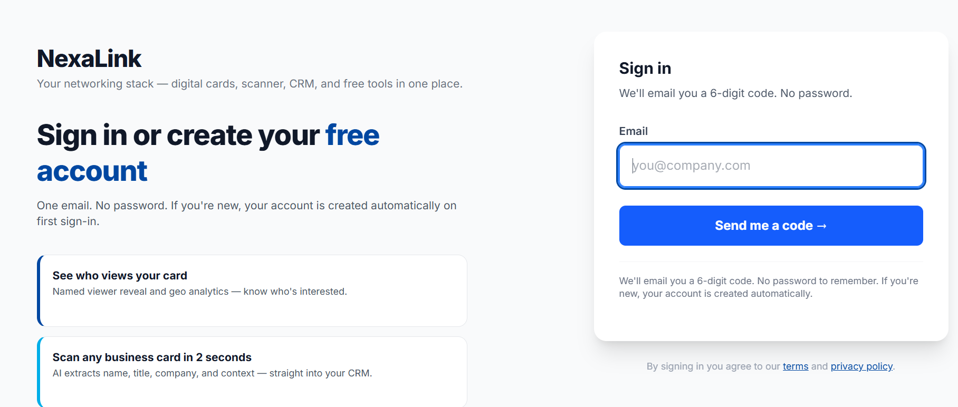

3 | Register with a password like '12345'; it is a weak password, and login depends only on the verification code.
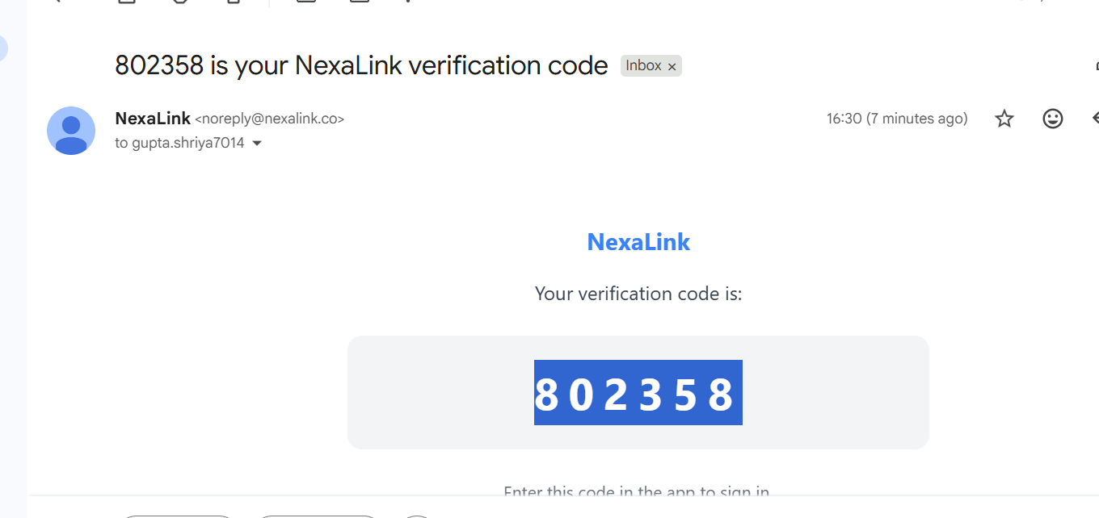

4 | I downloaded this app, but it only works on certain mobile brands.

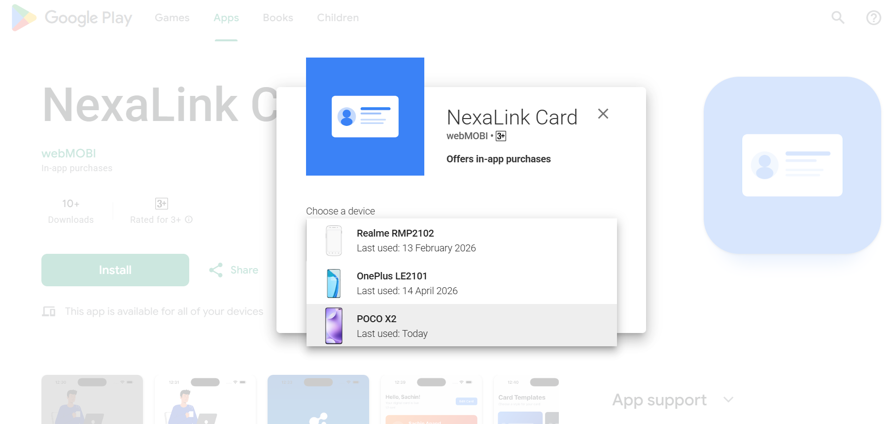

5 | Installing this app but it shows again and again install on other devices.

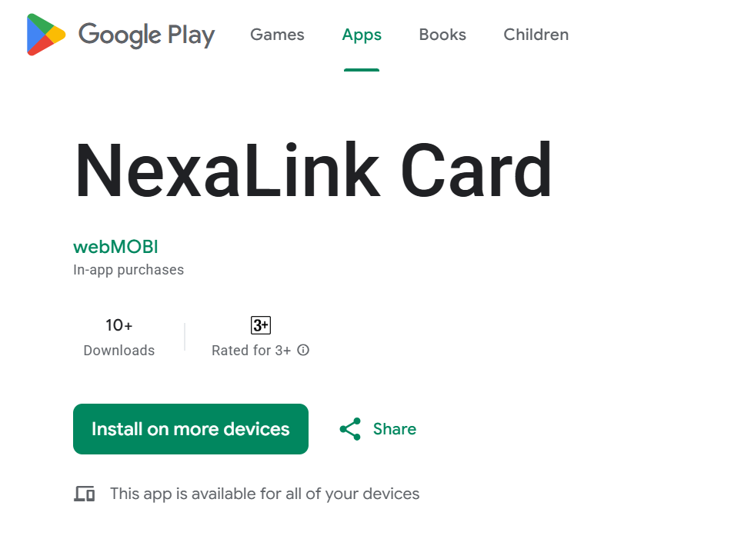

6 | When I open the Follow-up email, Business card makers, ROI Calculator options, it shows an error.

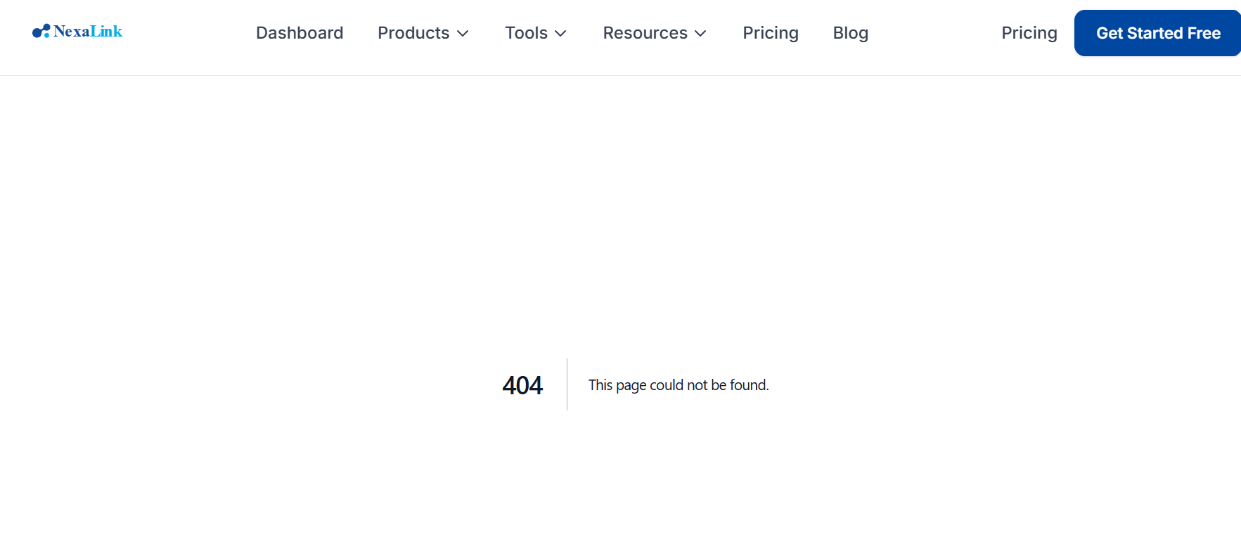

7 | When I open the contact import (convert CSV, vcard, XLSX, Contact options, it shows an error.

8 | I tried to delete my account and all data, but it was not deleted.

